Sheet1
DATE | INV NO. | DESCRIPTIONS | QTY | BILLS | PRICE | SUBTOTAL | TOTAL | DUE DATE
2026-01-15 | 2601/FK-0567 | STRIPLOIN ICHI BROWN | 11.52 | 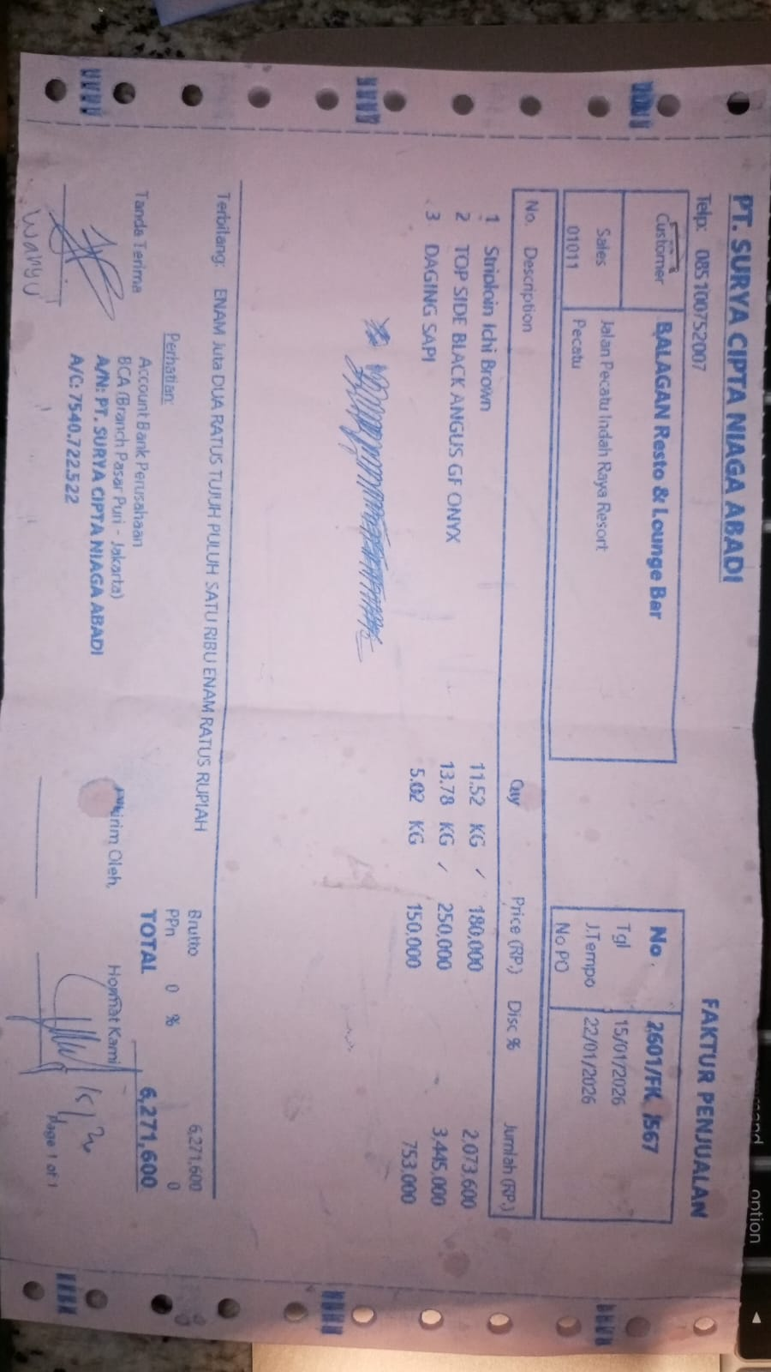 | Rp180,000 | Rp2,073,600 | Rp6,271,600 | 2026-01-22
 |  | TOP SIDE BLACK ANGUS GF ONYX | 13.78 |  | Rp250,000 | Rp3,445,000
 |  | COW MEAT | 5.02 |  | Rp150,000 | Rp753,000

 |  |  |  |  |  |  | Rp-

 |  |  |  |  |  | Rp- | Rp-
TOTAL |  |  |  |  |  | Rp6,271,600

